PRF
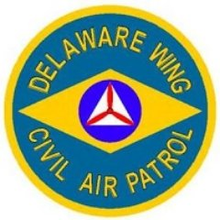

 | Payment Request Form |  | For Wing Use Only
 |  |  | PNC Account:
Date of Request: |  |  | Total Amount:
 |  |  | Method Paid: | PNC ONLINE EFT
 |  |  | Date Paid:
Payee Name:
Street Address:
City, State, ZIP:
Email Address:
Phone #:

Funding Source:

Itemized Expense | Expense Description (Please provide detail) | Expense Date | Amount
Item 1
Item 2
Item 3
Item 4
Item 5
Total |  |  | $0.00

Comments:

Requestor:
Approver:

**Squadron Expenditures in excess of $500.00 require the approval of the Squadron Finance Committee**
**Wing Expenditures in excess of $1500.00 require the approval of the Wing Finance Committee**
**Please submit this form to the Delaware Wing Director of Finance and Wing Administrator**
DEWG Form 5, updated 25Jul2022

